APPAREL SCALE
 | MENS
 | APPAREL IN GENERAL
 | SM | MD | LG | XL | XXL
M12 | 1 | 3 | 3 | 1 |  | 8
M60 | 2 | 4 | 2 |  |  | 8
M61 | 1 | 3 | 2 | 1 | 1 | 8

 | SHORTS GOLF MEN
 | 30 | 32 | 34 | 36 | 38
M8 |  | 2 | 3 | 2 | 1 | 8
 | LONG PANTS GOLF
 | 30/30 | 30/32 | 32/32 | 34/32 | 36/32
M17 |  | 1 | 3 | 3 | 1 | 8

 | WOMENS
ESCALA | APPAREL IN GENERAL
 | XS | SM | MD | LG | XL
W37 | 1 | 3 | 3 | 1 |  |  | 8
W1T |  | 1 | 3 | 3 | 1 |  | 8
W38 |  | 2 | 4 | 2 |  |  | 8

 | BRAS
BRAA | CUP A | 32 A | 34 A | 36 A
 | Distribución | 3 | 3 | 2 |  |  | 8

BRAB | CUP B | 32B | 34B | 36B | 38B
 | Distribución | 2 | 4 | 1 | 1 |  | 8

BRAC | CUP C | 32C | 34C | 36C | 38C
 | Distribución | 2 | 2 | 2 | 2 |  | 8

BRAD | CUP D | 32D | 34D | 36D | 38D
 | Distribución | 2 | 2 | 2 | 2 |  | 8

 | PLUS SIZE
 | 1X | 2X | 3X
PW | 4 | 3 | 1 |  |  |  | 8

 | SHORT GOLF
GMS | 4 | 6 | 8 | 10 | 12 | 14
 | 1 | 1 | 2 | 2 | 1 | 1 | 8

 | YOUTH
ESCALA | APPAREL
 | XS | S | M | L | XL
YC1 | 1 | 3 | 3 | 1 |  |  |  | 8
YC2 |  | 1 | 3 | 3 | 1 |  |  | 8

GUIDE WOMEN (CM)

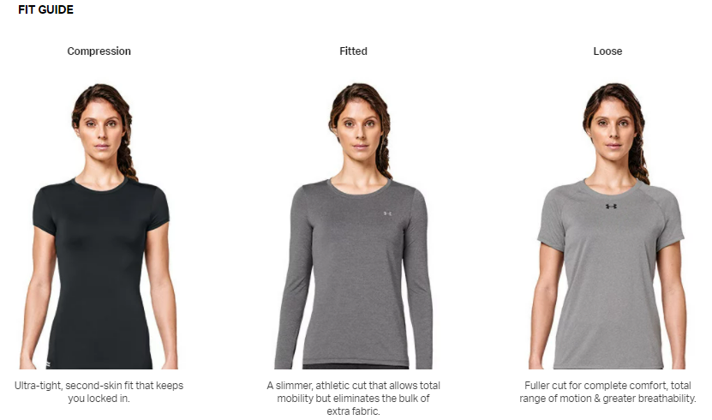
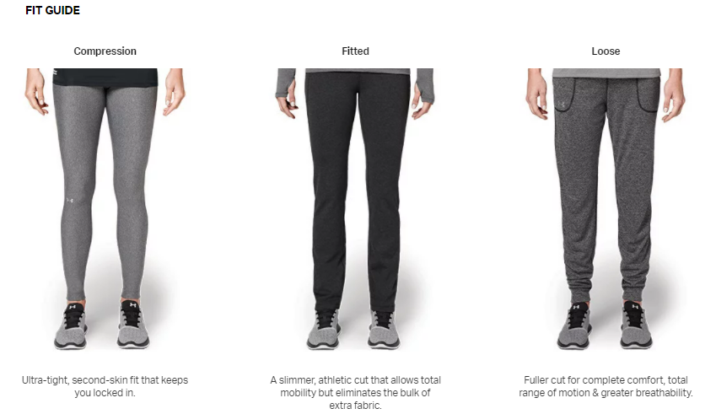

BRA

TOPS
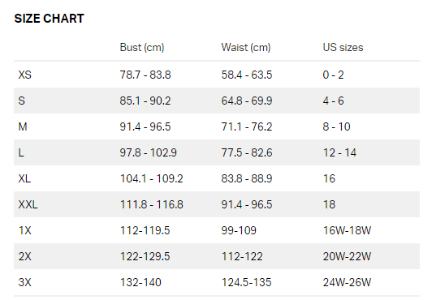

BOTTOMS

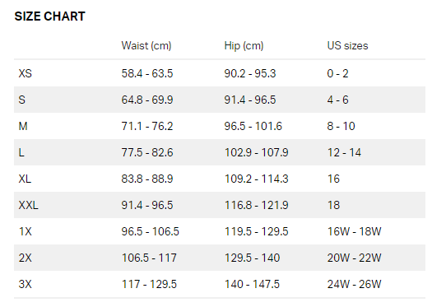

GUIDE MEN (CM)

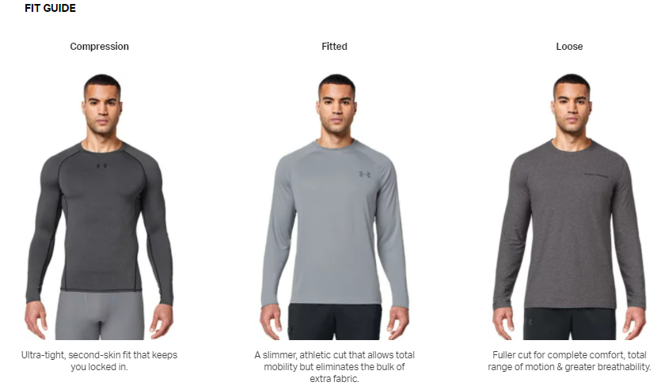
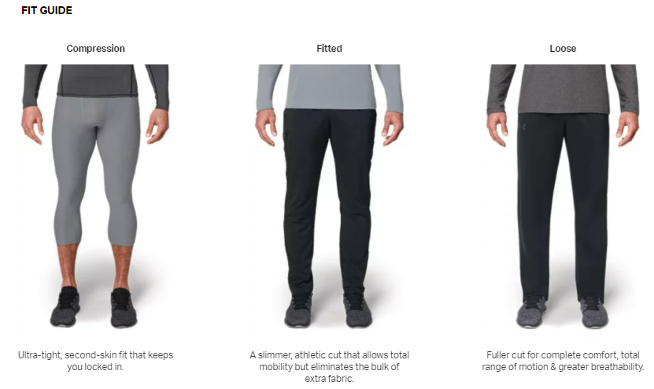

TOPS
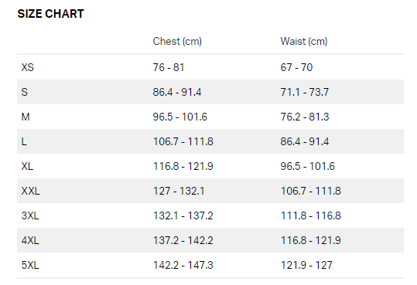

BOTTOMS

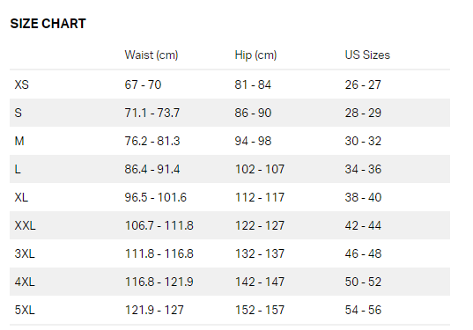

GUÍA YOUTH (cm)

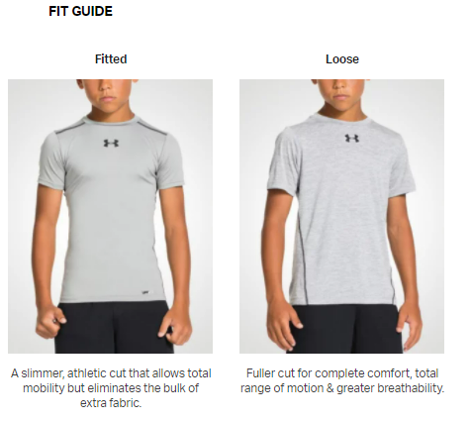
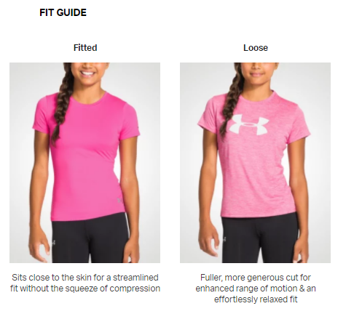

TOPS

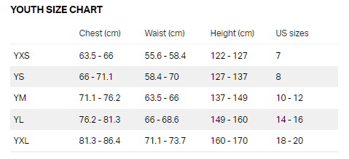

BOTTOMS

